Sheet3
ID | Name | Met | Screenshot
1 | All the cities in the world organised by largest population to smallest | yes
2 | All the cities in a continent organised by largest population to smallest | yes | 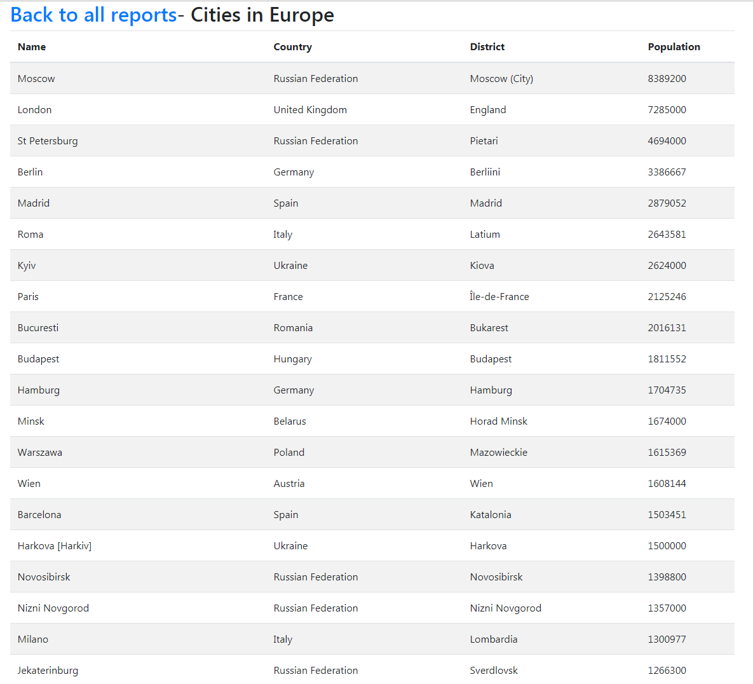
3 | All the cities in a region organised by largest population to smallest | yes | 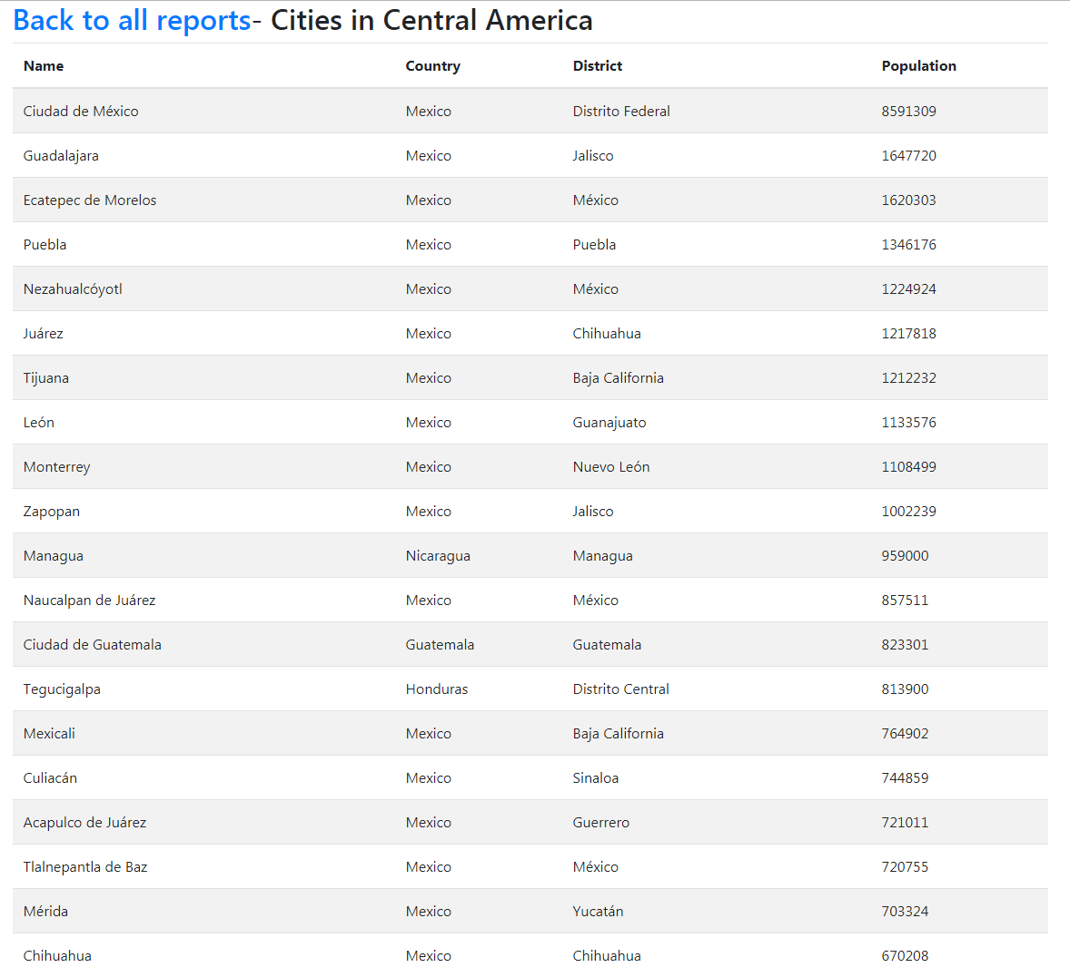
4 | All the cities in a country organised by largest population to smallest | yes | 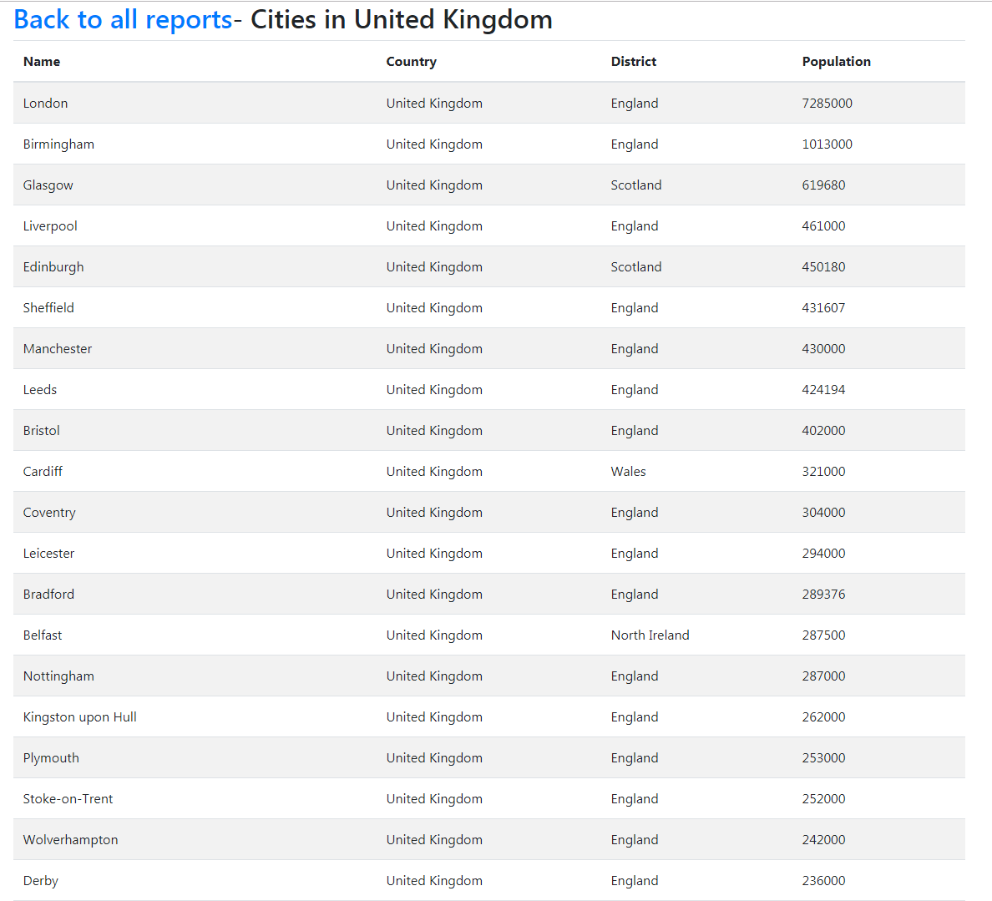
5 | All the cities in a district organised by largest population to smallest | yes
6 | The top N populated cities in the world where N is provided by the user | yes | 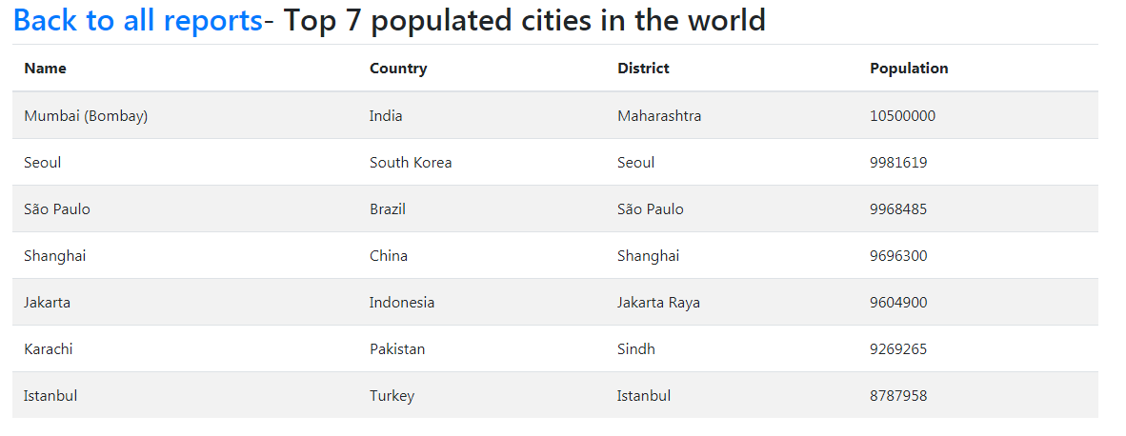
7 | The top N populated cities in a continent where N is provided by the user | yes | 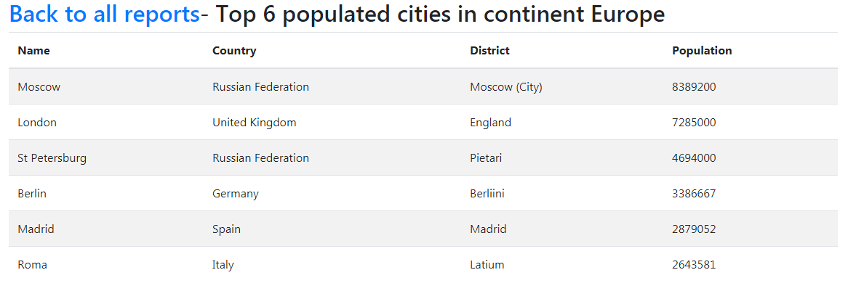
8 | The top N populated cities in a region where N is provided by the user | yes
9 | The top N populated cities in a country where N is provided by the user | yes | 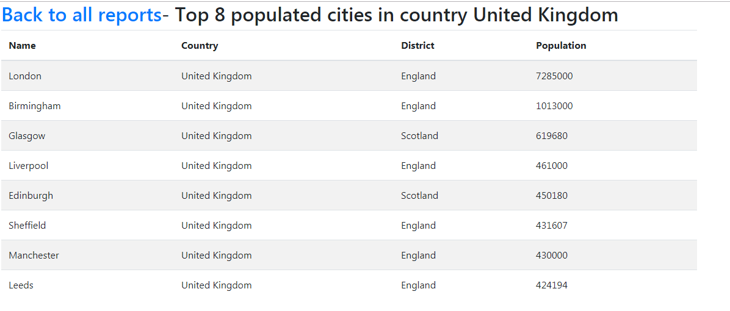
10 | The top N populated cities in a district where N is provided by the user | yes
11 | All the capital cities in the world organised by largest population to smallest | yes | 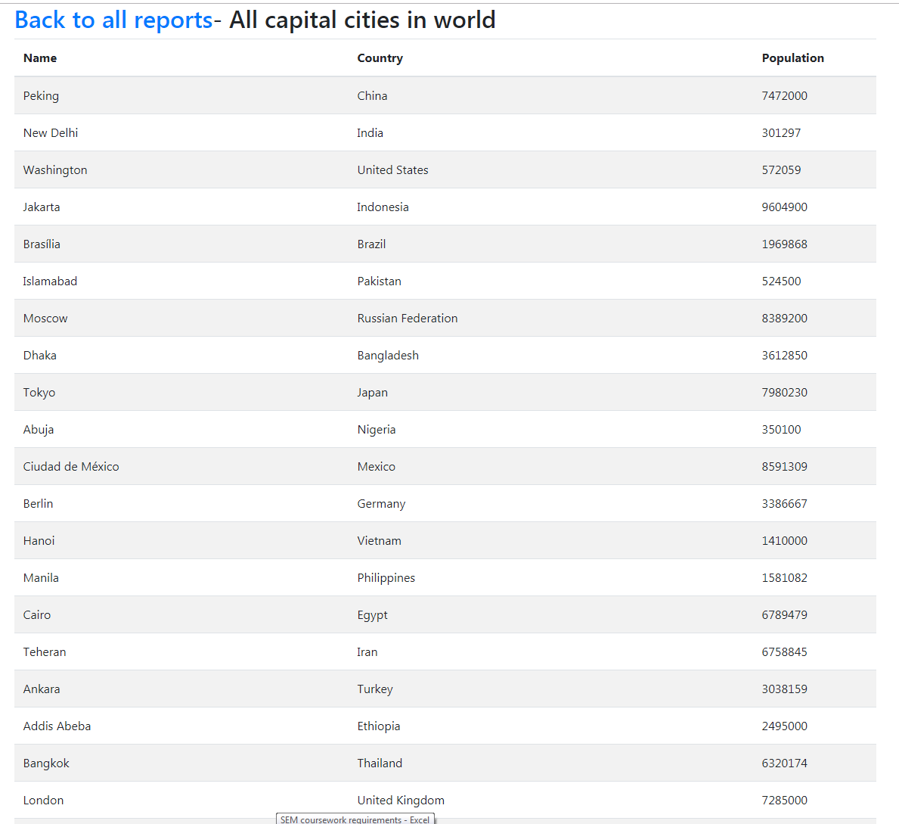
12 | All the capital cities in a continent organised by largest population to smallest | yes | 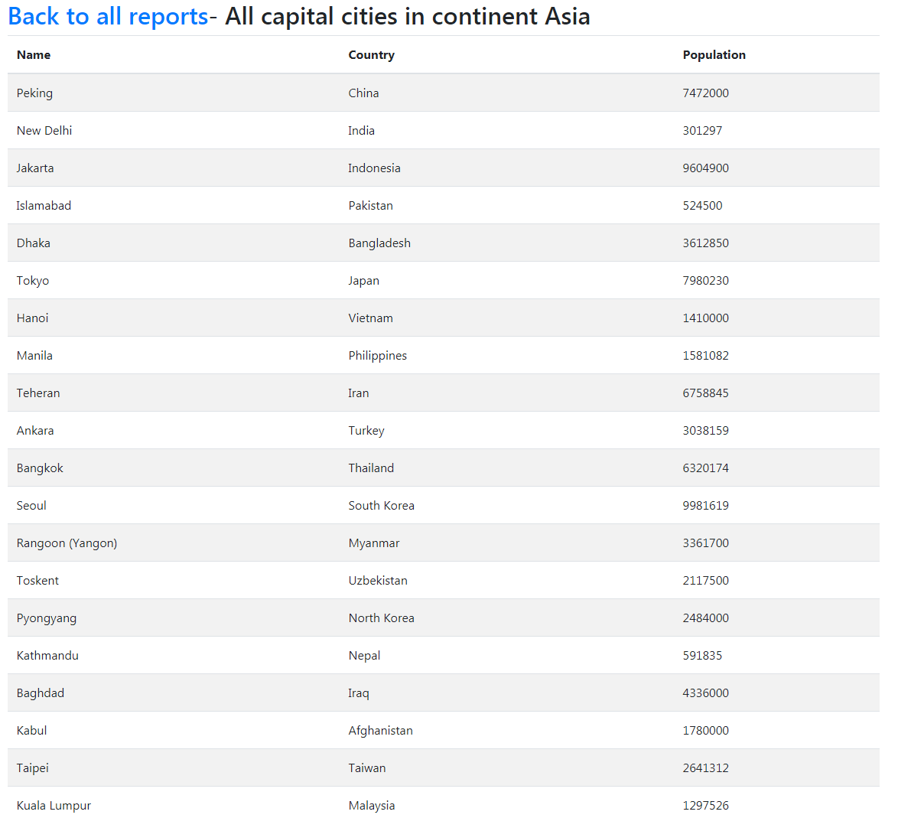
13 | All the capital cities in a region organised by largest to smallest | yes | 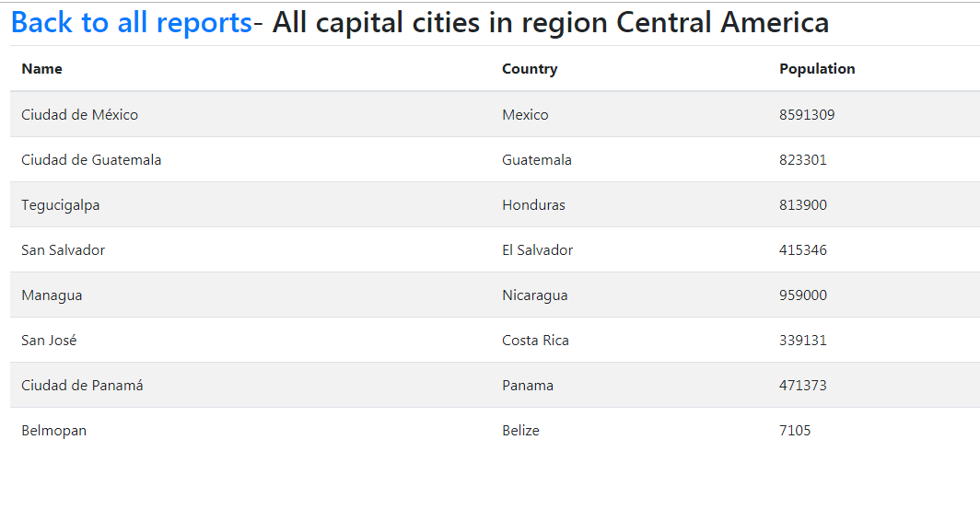
14 | The top N populated capital cities in the world where N is provided by the user | yes | 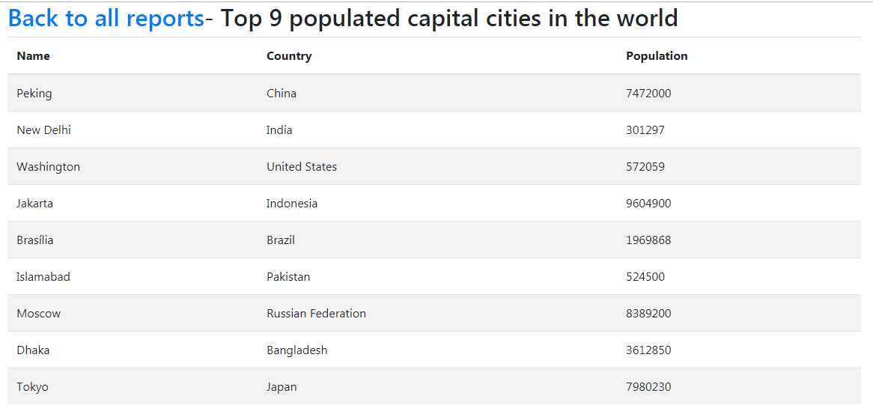
15 | The top N populated capital cities in a continent where N is provided by the user | yes
16 | The top N populated capital cities in a region where N is provided by the user | yes
17 | The population of people, people living in cities, and people not living in cities in each continent | yes | 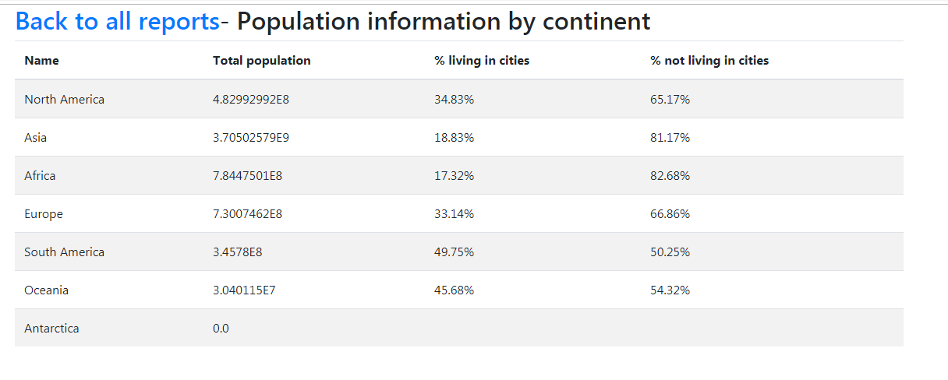
18 | The population of people, people living in cities, and people not living in cities in each region | yes | 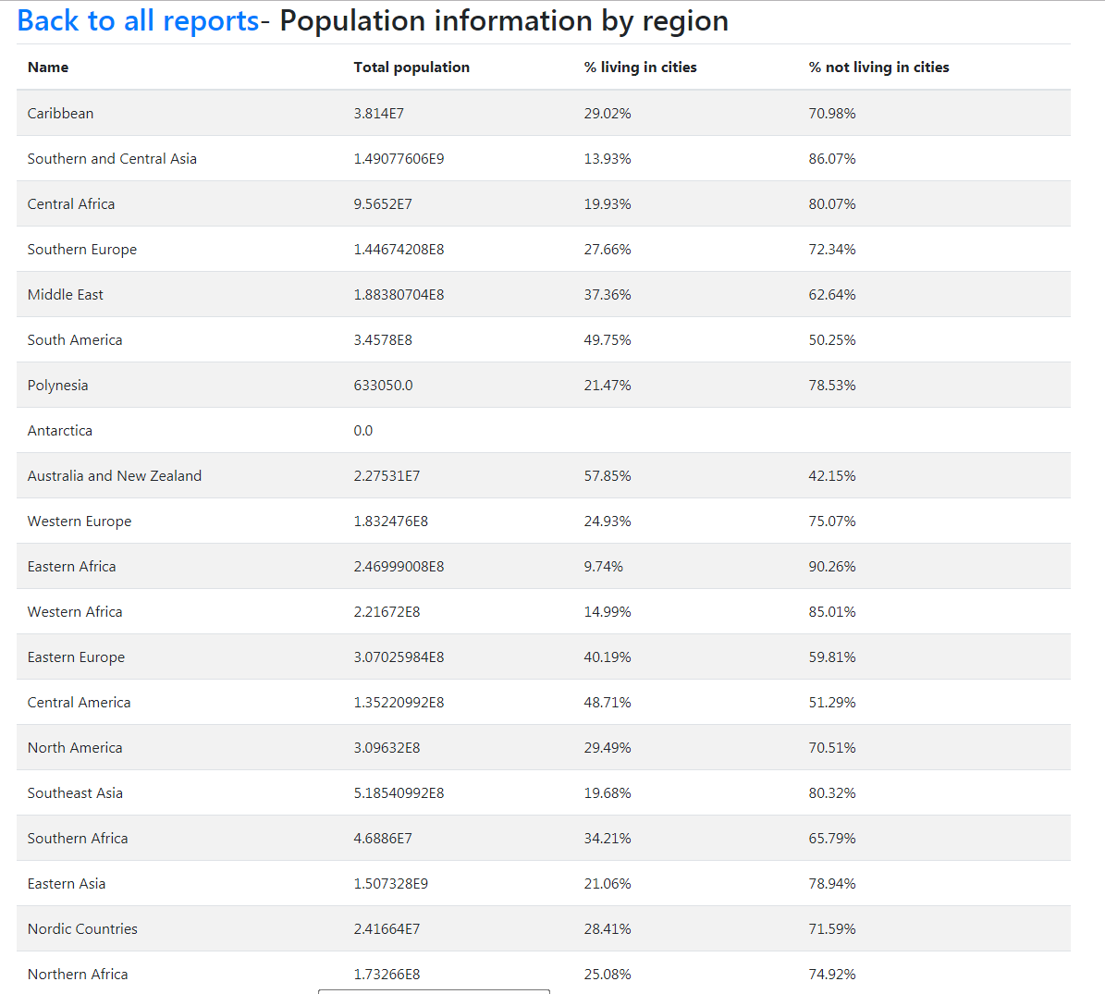
19 | The population of people, people living in cities, and people not living in cities in each country | yes | 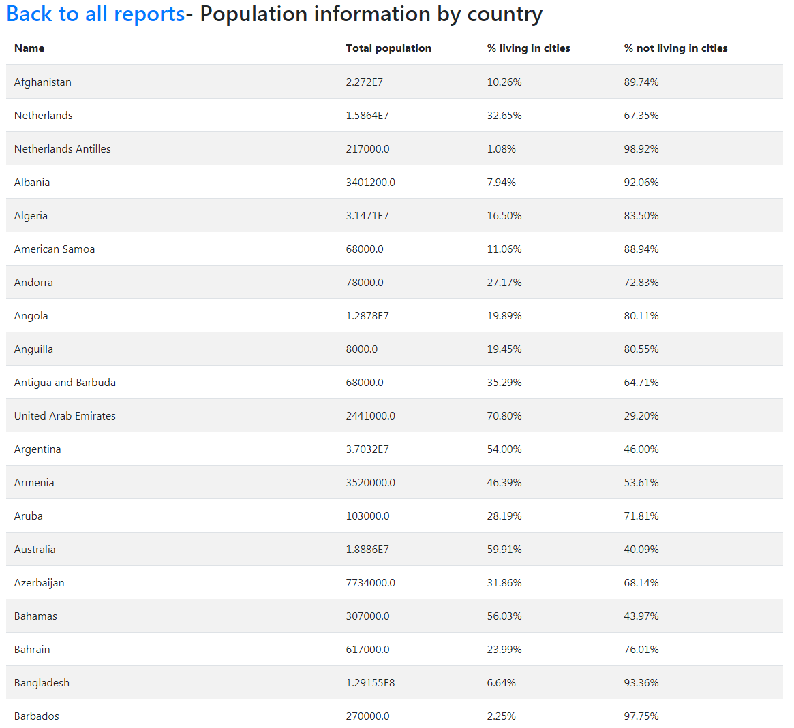
20 | Spoken languages | yes
21 | All the countries in a region organised by largest population to smallest | yes
22 | The top N populated countries in the world where N is provided by the user | yes
23 | The top N populated countries in a continent where N is provided by the user | yes | 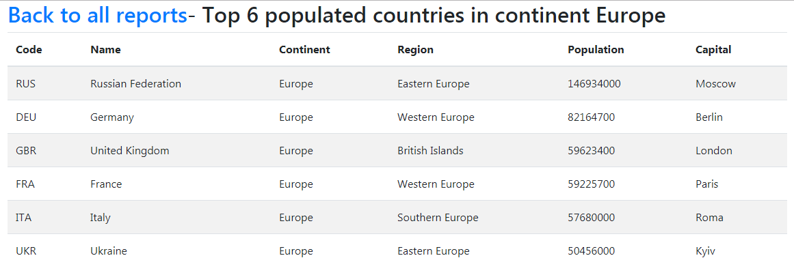
24 | The top N populated countries in a region where N is provided by the user | yes
25 | All the countries in the world organised by largest population to smallest | yes | 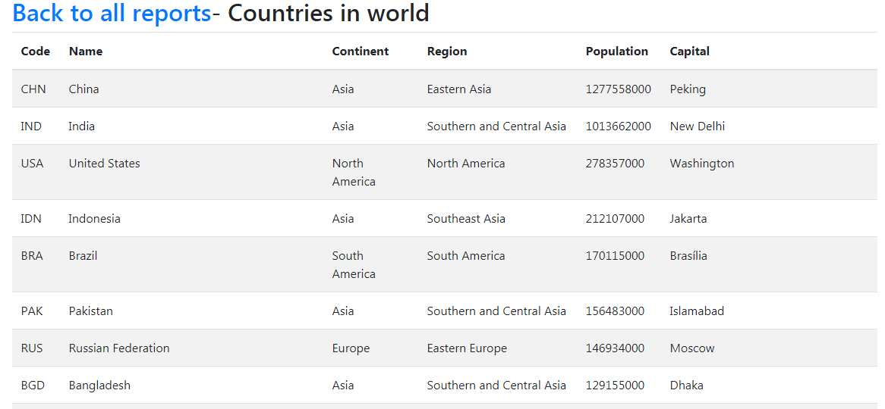
26 | All the countries in a continent organised by largest population to smallest | yes | 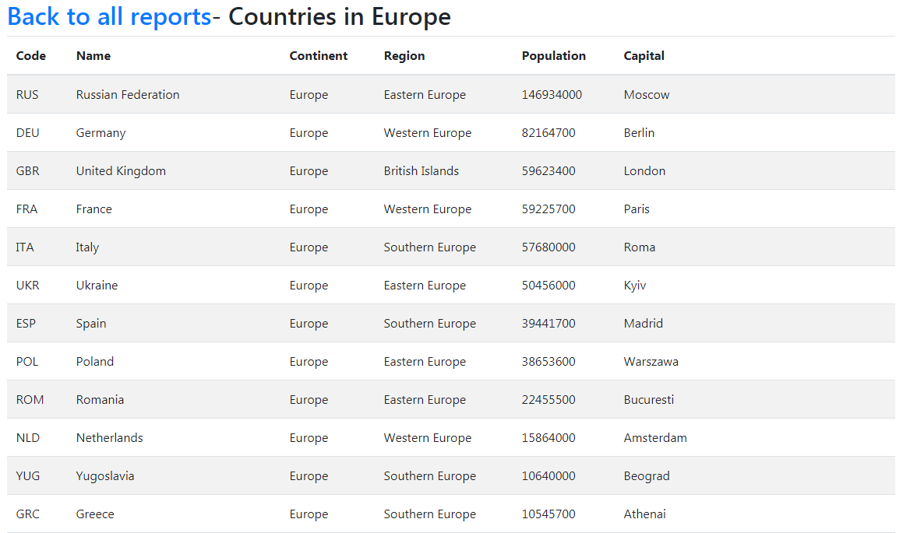
27 | The population of the world | yes
28 | The population of a continent | yes
29 | The population of a region | yes
30 | The population of a country | yes
31 | The population of a district | yes
32 | The population of a city | yes

